Test case template
Център за обучение по софтуерно тестване Website: http://skillo-bg.com

Bug ID | PSB004
Name | password verification field
Priority | P3
Severity | S3
Description
Steps to reproduce | 1. Open http://automationpractice.com/index.php 2. Press sign in 3. Fill email addres 4. Click on Create an account Expected result: there is a second password verification box Actual result: there is no second password verification field
Attachment | 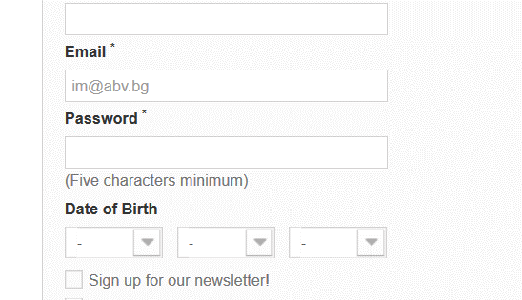 -
Status | Opened
Component
Version/Build number (Found in) | 99900
Environment | Windows 10
Comments | -
Date Created | 14-Feb-19
Author | IM
Audit Log | IM

